1. Title Page
Instacart Report

Project Name: Instacart Grocery Basket Analysis
Date: 10/31/23
Analyst Name: Jarrett Pugh

Contents:
Population Flow
Consistency checks
Wrangling steps
Column derivations
Visualizations
Recommendations
Data Citation

(click to search)

2. Population Flow
Title page

Population flow

States/Regions - original data
Departments - original data
Total: 21
Exclusion flag
Condition: max_order < 5
Obervations to be removed: 1,440,295
Final total count of customers_orders_products: 30,964,564
Total: 50

States/Regions - after consistency checks
Total: 50
Departments - after consistency checks
Total: 21

Orders_products_combined
Orders_products_merged
customers_orders_products

Total: 32,434,489
Total: 32,404,859
Total: 32,404,859

1.) The grey boxes in the first row of the population flow represent the original data sets as they were when you downloaded them. In the Total fields you need to add the count of the rows when you imported the data set into Jupyter.
2.) The second row of boxes (coloured) represents the data sets after you manipulated them, e.g., removed missing values and duplicates. In the Total fields you need to add the count of the rows after conducting these operations. This offers a visual oveview of how the data flows throughout the data consistency checks.
3.) The third row, where also the arrows are coloured, represents the merges you performed between the datasets. In the Total fields you need to add the count of the rows in the merged datasets, so that you end up with the final dataset (in the red box). Keep in mind the final dataset should be without exclusions (based on the exclusion flag).

3. Consistency Checks
 |  |  |  |  | Title page
Consistency checks

Dataset | Missing values | Missing values treatment | Duplicates
products | 16 NULL values found in prooduct_name column | Rows with NULL values were removed | 5 duplicate rows found. Duplicates removed
orders | 206,209 NULL values in days_since_prior_order column | Keep NULL values. Create new column to flag user's first order | No duplicates
orders_products_prior
customers | No missing values |  | No duplicates
states/regions | No missing values |  | No duplicates
departments | No missing values |  | No duplicates
 |  |  |  | `

4. Wrangling Steps
 |  |  |  | Title page
Wrangling steps

Columns dropped | Columns renamed | Columns' type changed | Comment/Reason
 | 'order_dow' to 'orders_day_of_week' |  | To clarify column name
 |  | 'order_id' datatype changed from int64 to object | To ignore order_id column when calculating descriptive statistics
'eval_set' |  |  | To drop column that is irrelevant to analysis
Transposed df_dep to df_dep_t_new and added new header |  |  | To change df from wide format into long format
 |  | 'user_id' datatype changed from int64 to object | To ignore order_id column when calculating descriptive statistics
 | Rename 'First Name' column to 'first_name' |  | To clarify column name
 | Rename 'Surnam' column to 'last_name' |  | To clarify column name
 | Rename 'Gender' column to 'customer_gender' |  | To clarify column name
 | Rename 'STATE' column to 'customer_state' |  | To clarify column name
 | Rename 'Age' column to 'customer_age' |  | To clarify column name
 | Rename 'n_dependants' column to 'customer_number_of_dependents' |  | To clarify column name
 | Rename 'family_status' column to 'customer_family_status' |  | To clarify column name
 | Rename 'income' column to 'customer_income' |  | To clarify column name
 |  | 'first_name' datatype changed to object | Column 'first_name' contained mixed datatypes. Needed cleaning
'first_name' |  |  | Ensure data privacy and security of PII data
'last_name' |  |  | Ensure data privacy and security of PII data
 | Rename 'State' column to 'customer_state' |  | To clarify column name and be able to merge on column
 | Rename 'Region' column to 'customer_region' |  | To clarify column name

5. Column Derivations
 |  |  |  | Title page

Column derivations and aggregations

In this tab you should add tables below that the frequences of flags/label variables that you produced after deriving them. NB: don't do this for continuous variables, only for flags.
Dataset | New column | Column/s it was derived from | Conditions
orders_products_merged | price_range | price | If price is under 5, value is low-range product If price is between 5 and 15, value is mid-range product If price is greater than 15, price is high-range product
orders_products_merged | busiest_days | orders_day_of_week | If orders_day_of_week is 0 or 1, value is very busy If orders_day_of_week is 3 or 4, value is not busy If orders_day_of_week is anything else, value is regularly busy
orders_products_merged | busiest_period_of_day | order_hour_of_day | If order_hour_of_day is 10-15, value is most orders If order_hour_of_day is 0-5, value is fewest orders If order_hour_of_day is 6-9 or 16-23, value is average orders
orders_products_merged | max_order | order_number user_id | Returned max order_number for each user_id
orders_products_merged | loyalty_flag | max_order | If max_order for the user is over 40, then labeled a “Loyal customer.” If max_order for the user is over 10 but less than or equal to 40, then labeled a “Regular customer.” If max_order for the user is less than or equal to 10, then labeled a “New customer.”
orders_products_merged | avg_item_price | prices user_id | Returned average purchased item price for each user_id
orders_products_merged | spending_flag | avg_item_price | If avg_item_price of user_id is lower than 10, labeled "Low spender" If avg_item_price of user_id is greater or equal to 10, labeled "High spender"
orders_products_merged | median_days_since_prior_order | days_since_prior_order user_id | Returned median amount of days_since_prior_order for each user_id
orders_products_merged | frequency_flag | median_days_since_prior_order | If median_days_since_prior_order is higher than 20, label "Non-frequent customer" If median_days_since_prior_order is between 10 and 20, label "Regular customer" If median_days_since_prior_order is less than or equal to 10, label "Frequent customer"
customers_orders_products | customer_activity | max_order | If 'max_order' is 5 or higher, value in 'customer_activity' will be 'normal' If 'max_order' is less than 5, value in 'customer_activity' will be 'low'
customers_orders_products | age_group | customer_age | If customer age is between 18-33, set value of age group to 'young' If customer age is between 34-65, set value of age group to 'middle-aged' If customer age is between 66-81, set value of age group to 'old'
customers_orders_products | income_group | customer_income | If customer income is 67,292 or less, set value of income group to 'low' If customer income is more than 67,292 and less than 128,102, set value of income group to 'moderate' If customer income is 128,102 or more, set value of income group to 'high'
customers_orders_products | customer_dependents | customer_number_of_dependents | If customers do not have any dependents, set value to 'no dependents' If customers have 1 or more dependents, set value to '1 or more dependents'
customers_orders_products | customer_diet | user_id department | Default value is 'none' If customer does not have any past item purchases from 'meat seafood' department, flag as 'vegetarian' If customer does not have any past item purchases from 'meat seafood' or 'dairy eggs' department, flag as 'vegan'
customers_orders_products | customer_profile | customer_gender age_group customer_dependents | Label customer profile with corresponding labels from customer_gender, age_group, and customer_dependents column flags 12 unique customer profile values created

6. Visualizations
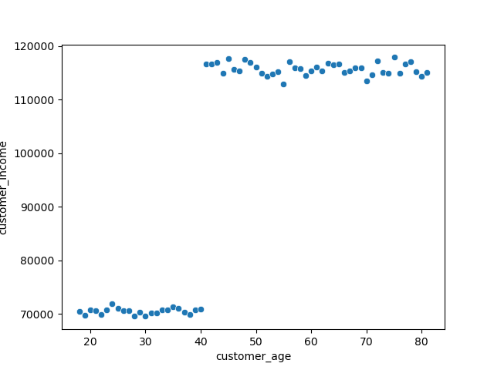
 |  | Title page

Visualizations

*Maintain zoom at 130-150% for best viewing

What are the busiest days of the week and hours of the day?

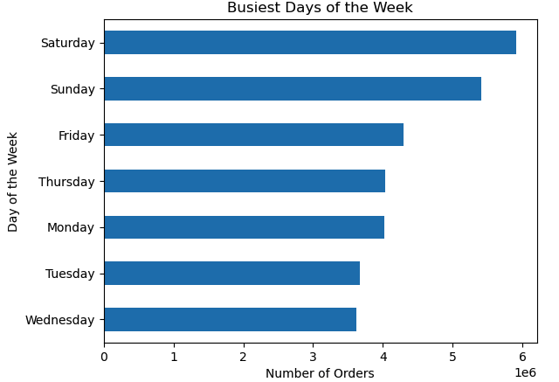
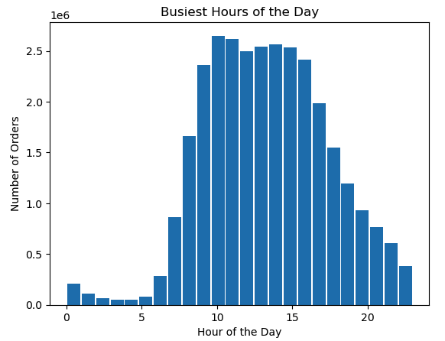

What hours of the day do people spend the most money?
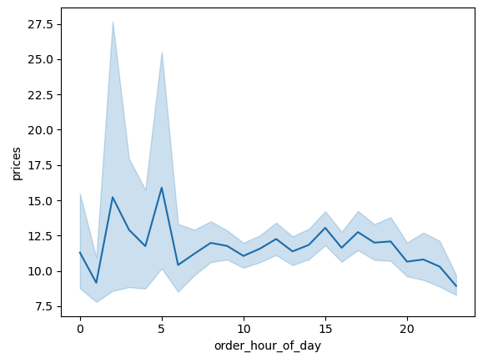
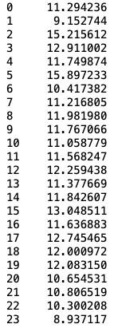
Hourly Expenditure

What are some simpler price range groupings to help direct marketing and sales efforts?

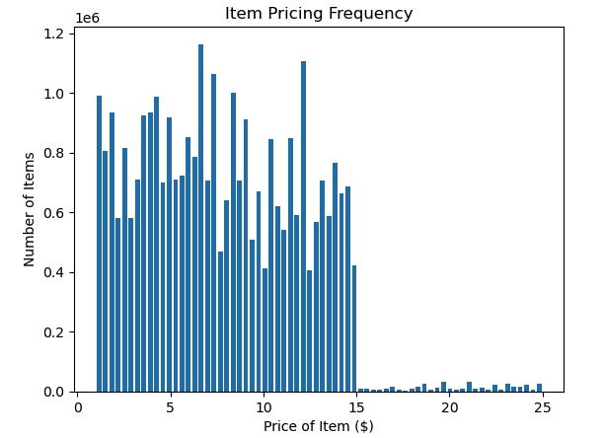
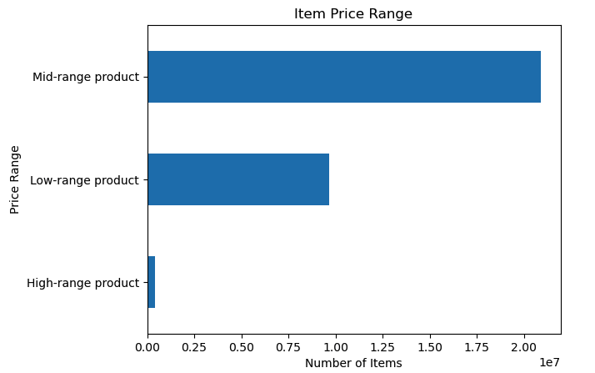

What types of products are most popular? Which departments have the highest frequency of product orders?

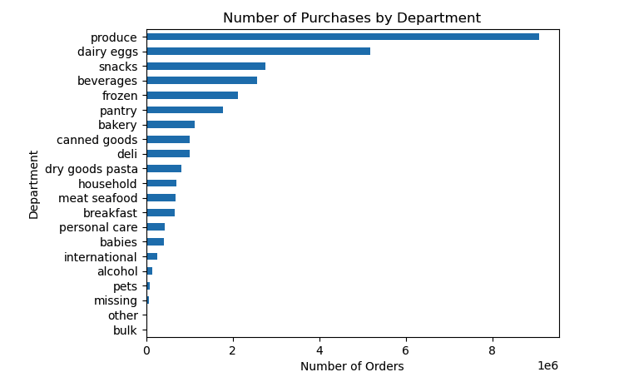
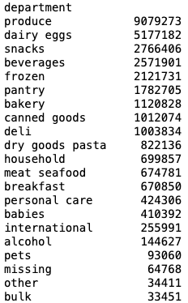

What’s the distribution among users in regards to their brand loyalty? How often do they return to Instacart?
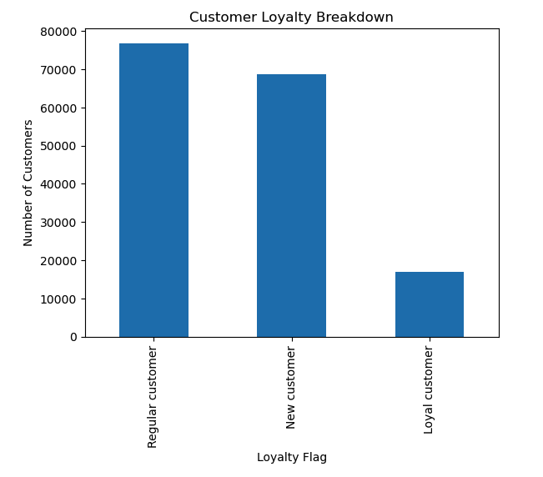
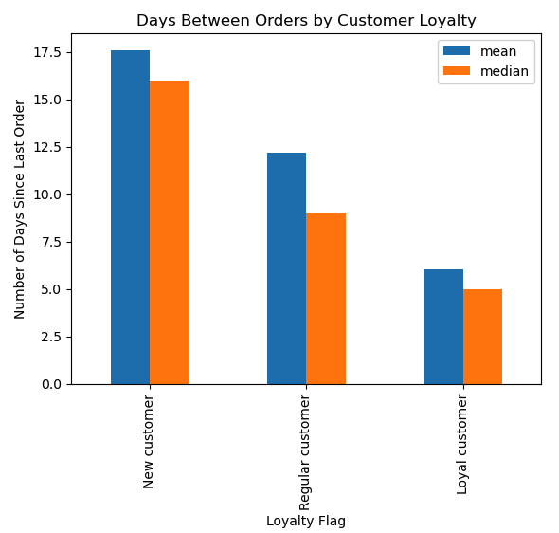

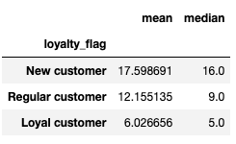

Are there differences in ordering habits based on a customer's loyalty status?
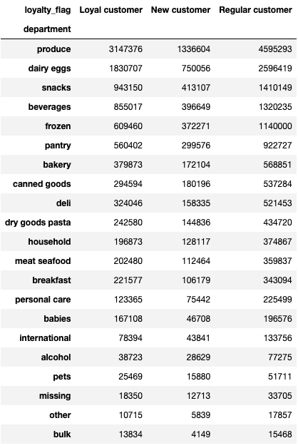

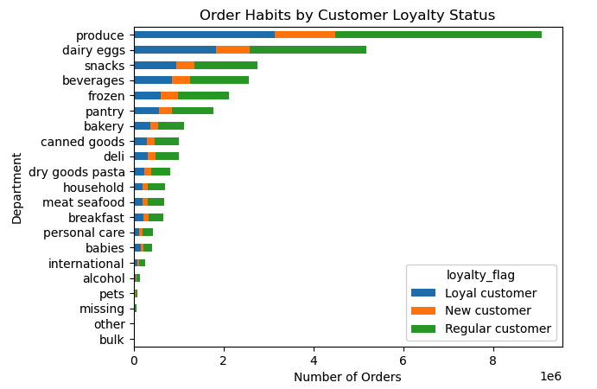

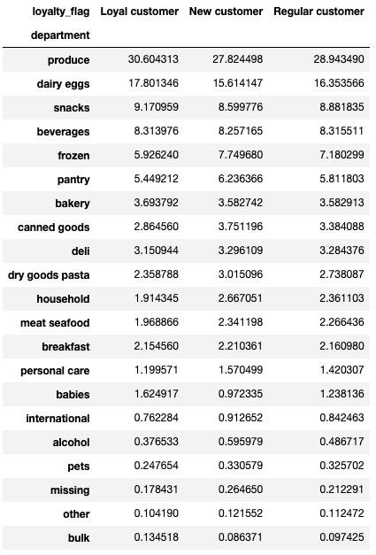

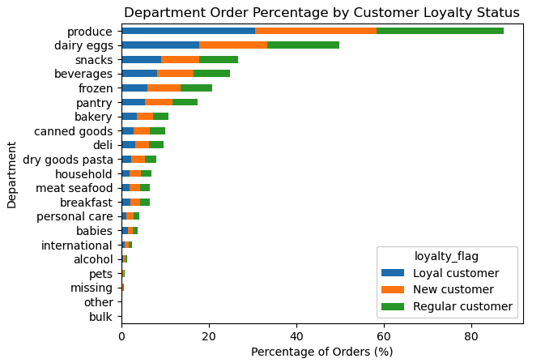

Are there differences in ordering habits based on a customer's region?
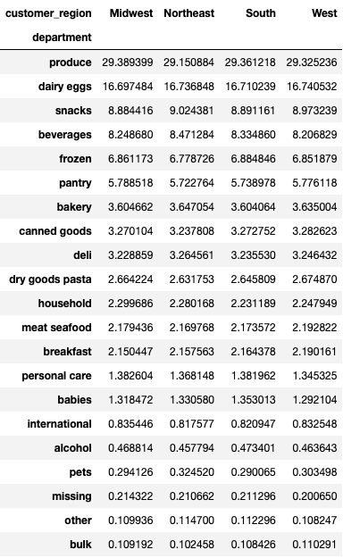

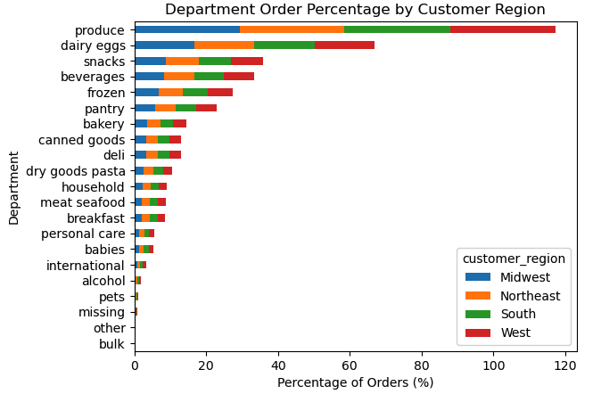

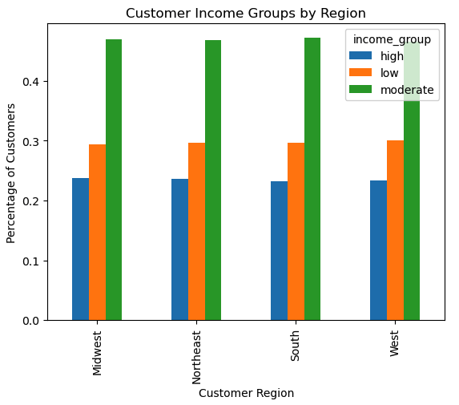

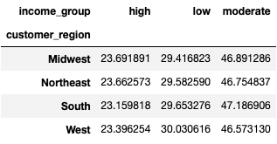

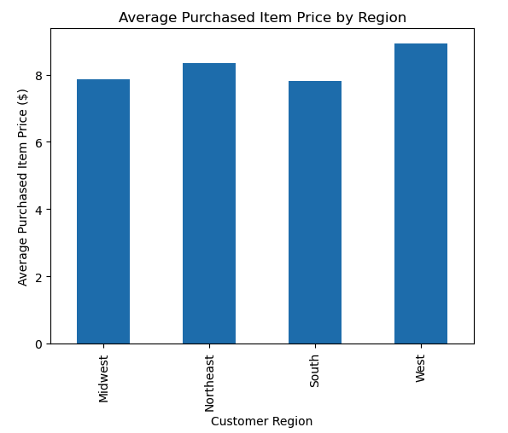

Is there a connection between age and family status in terms of ordering habits?

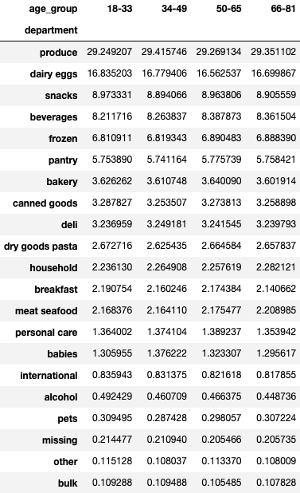

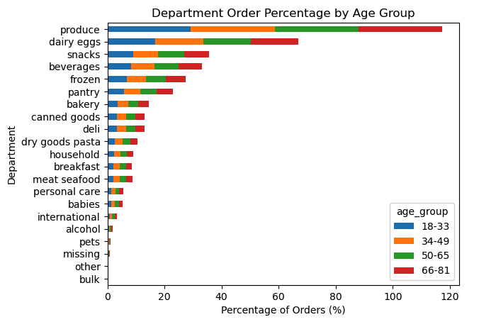

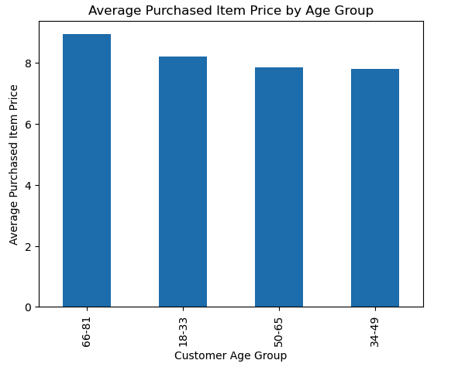
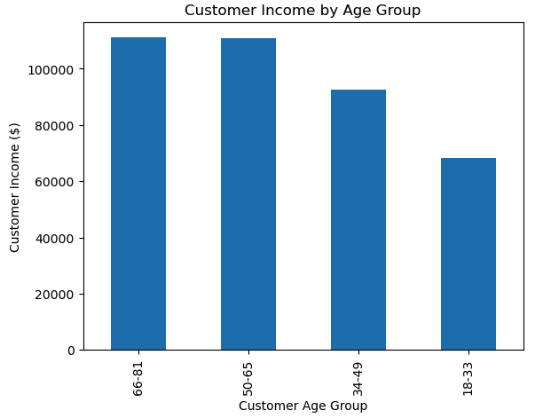

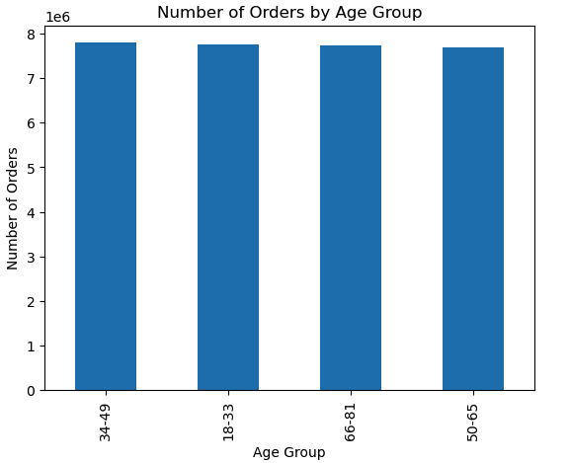

What different classifications does the demographic information suggest? Age? Family status? What differences are there in ordering habits of different customer profiles?
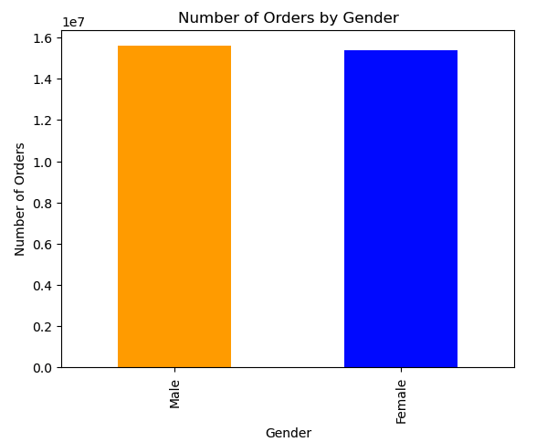
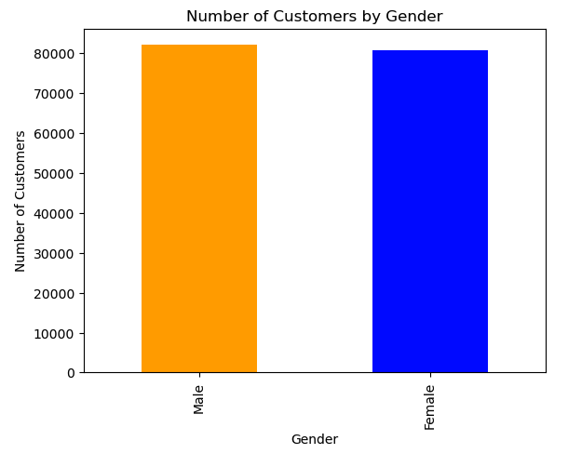

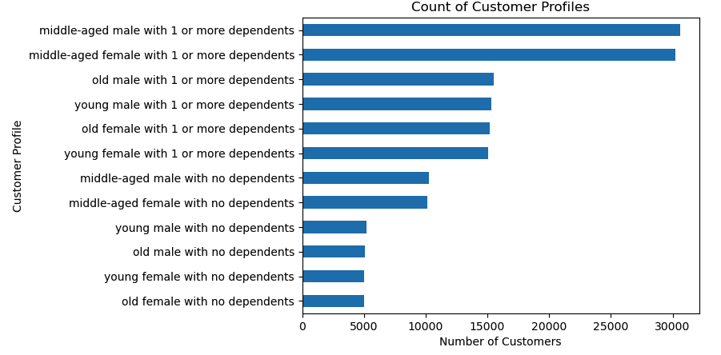
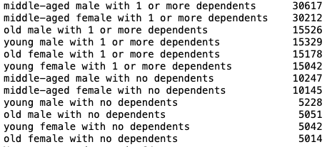

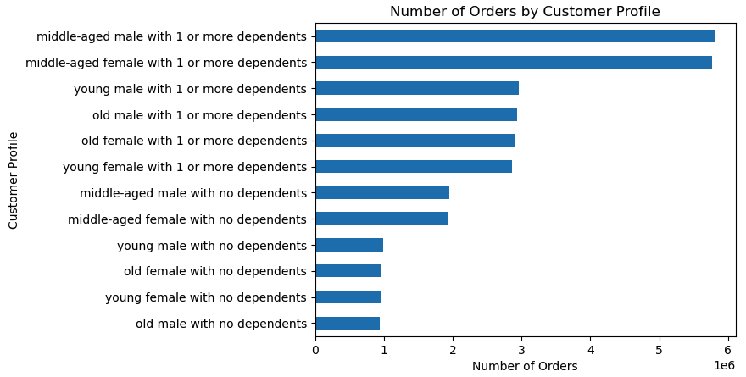
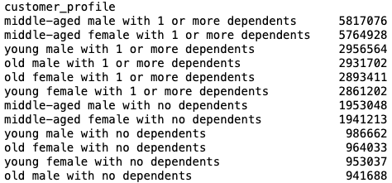

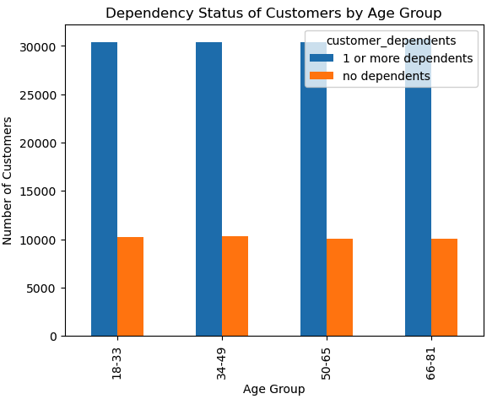
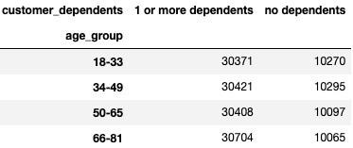

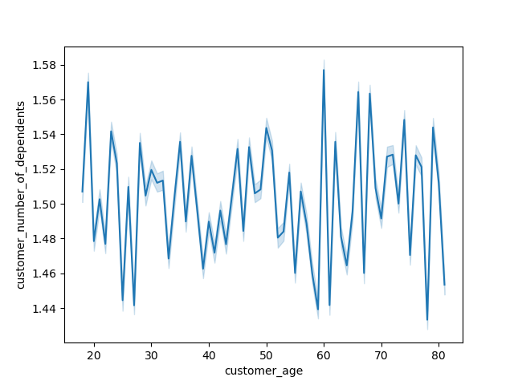

 | This line chart displays the relationship between a customer's age and the number of dependents they have. Contrary to what I expected, there does not seem to be a clear positive relationship between customer age and number of dependents. This visualization shows that there actually is quite a bit of oscillation throughout every decade of a customer's life. The average number of dependents for a customer oscillates between 1.43 and 1.58. There appear to be other defining factors in determining a customer's family situation, mainly the number of dependents, other than the customer's age.

 | The scatterplot visualizes the relationship between a customer's age and average income. As the visualization shows, the average customer from the age of 18 to 40 has an income of around 70,000. When the customer gets into their early 40s and beyond, customers of that age of average make between 110,000 and 120,000.

7. Recommendations
 |  | Title page

Recommendations

In this tab you should include any recommendations you would made to Instcart in terms of their marketing strategy based on the questions posed in the brief. Every key question has been covered in the Tasks of the Exercises - here you need to add an item - a visualisation or table/crosstable that is showing the answer in the data, acompanied by a comment from you. Please, list the questions below and add the answer underneath.

Question | Answer
What are the busiest days of the week and hours of the day? | As the visualizations show, the busiest days in terms of number of orders are Saturday and Sunday while the least busy days are Wednesdays and Tuesdays. Many people prefer to do their grocery shopping on weekend days with less time occupied by working hours. Within a given day, the busiest time period occurs between 9AM - 4 PM. The sales team can increase advertising during weekend days and peak hours to optimize what are already busy days and hours of the week. If sales is looking to increase the amount of orders during non-peak hours and days, then the sales team can increase ads after 4pm and target weekdays for customer engagement.

What hours of the day do people spend the most money? | The hourly expenditure chart shows that there are some peaks during the 2AM and 5AM. During these hours, the average price of items that are bought is more than $15. The prices of items that are bought between 9AM - 4PM average around $11-13. Even though there are some hours of the day that indicate a greater willingness from customers to spend on higher priced items, the volume of these orders is very low. The vast majority of orders and sales occurs during 9AM - 4PM and marketing should focus their efforts on these peak time periods for the highest returns on investments.

What are some simpler price range groupings to help direct marketing and sales efforts? | As the pricing frequency chart shows, there are many different priced items. To simply item prices into pricing groups, items were assigned a pricing group. For items that are priced $5 or less, it was labeled as a low price range item. For items that are priced between $5-15, it was labeled as a mid price range item. For items that are priced $15 or more, it was labeled as a high price range item. With a simpler price range grouping for items, marketing and sales can use these simpler price range groupings to analyze and identify trends in customer and order purchases and determine insights to increase Instacart revenue. The majority of items fall within the mid-range pricing label while only a small amount of items that are purchased are more than $15.

What types of products are most popular? Which departments have the highest frequency of product orders? | There are strong customer preferences when it comes to the types of products most people order. Items that belong to the produce and dairy/eggs departments make up 29.3% and 16.7% respectively of all items ordered. Other popular items include snacks, beverages, and frozen items. Conversely, items from pets, missing, other, and bulk departments only make up 0.7% combined. The marketing and sales teams should concentrate their efforts to promote and highlight products from the previously mentioned popular departments where there already shows to be a high demand. This could be done through visusually appealing web and app displays and to encourage impulse purchases. Other strategies could include targeted promotions that include special discounts and bundle deals to incentivize repeat customers and larger order sizes.

What’s the distribution among users in regards to their brand loyalty? How often do they return to Instacart? | When looking at Instacart's customer data, it indicates that the highest percentage of customers are designated as regular customer which means that they have made between 10-40 orders. The next highest loyalty grouping are new customers who have made 10 or less orders. Loyal customers are the least represented grouping but still make up roughly 10.5% of all customers. This is significant because to be considered a loyal customer, they must have made more than 40 orders! It is fitting to then look at the 'Days Between Orders by Customer Loyalty' chart. Sensibly, the loyal customers are the ones that are making purchases more regularly and have a lower average and median number of days since their previous order. On the other side, it appears that new customers are more hesitant after their inital orders to make another order. It is important for new and even regular loyalty customers to feel confident in Instacart's services. If their grocery delivery need is met and they have a positive experience, they are more likely than not to continue using Instacart. It is understandable for new customers to feel more apprenhensive when first using the service, so a positive ordering and delivery experience is critical for new customers. Note: The Instacart CFO directed the exclusion of low-activity customers which are defined as customers with less than 5 orders. This exclusion underrepresents new customers by a count of 43,578.

Are there differences in ordering habits based on a customer's loyalty status? | There are 2 sets of data tables and charts that illustrate the ordering habits based upon a customer's loyalty status. The first set looks at the total number of orders in each department for each customer loyalty status. Not surprisingly, it is a similar reflection of the chart that displayed the total amount of orders per department. The second set is a more significant insight into the differnces of ordering habits. This set doesn't look at the sheer number of orders by department, but the percentage of orders from each department based upon a customer's loyalty status. Looking at the numbers from the datatable, produce makes up 30.6% of loyal customers' orders but a little less for regular customers (28.9%) and new customers (27.8%). In general, there are some differences in the percentage breakdown of orders by department but what is significant is that all 3 customer loyalty statuses have the same order of the highest percentage of orders by department to the lowest percentage of orders by department. As mentioned, the ordering habits are generally simlar within different customer loyalty statuses. There are some minor percentage differences that the sales and marketing teams should be aware of. One is that produce makes up the highest percentage of items ordered for loyal customers, even higher in proportion than regular and new customers. Dairy/Eggs are also sold at a higher proportion for loyal customers. For new customers, items from the frozen and pantry departments have the highest percentages based upon loyalty status. Regular customers tend to be in the proportional middle of loyalty statuses. These details could help give sales and marketing teams the edge they need to increase revenue.

Are there differences in ordering habits based on a customer's region? | The ordering habits of each customer region generally do not differ based upon the types of items and departments in which orders are purchased from. All customer regions are aligned in the different departments from which they purchase items. Customers in each region also show great similiarity when it comes to their spending power (income). The three income groups (low, medium, and high) identify customers whose income is in the bottom 25th percentile (less than $67,292), middle 50th percentile (between $67,292-128,102), and top 25th percentile (more than $128,102). Despite having very similar proportions of income groups amongst customers from each region, there are some definite differences in the average purchased item price by region. Customers from the West region spend more than $1 on average than customers from the South. Customers from the Northeast also spend more than those who live in the Midwest and the South. Although there are many similarities in ordering habits and income charactersistics from different customer regions, there are some notable differences in the average purchased item price. Customers who live in the West region display a greater enthusiasm and history of purchasing higher priced items. Regional and cultural differences can affect customer characteristics and it is important for the sales and marketing teams to be aware of any future changes in department purchases, income group proportionality, and the prices of items that customers are willing to purchase in each region.

Is there a connection between age and family status in terms of ordering habits? | In terms of ordering habits, there is no distinction between age groups in the departments from which customers order products from. Each age group has a very similar department order percentage. The 'Customer Income by Age Group' chart shows the difference in income based upon age group. These four different age groups are essentially equal in the sheer number of items ordered. Although equal in their number of orders, there are some notable differences in the average purchased item price. Customers in the 66-81 age group have the highest average income aswell as the highest average purchased item price. Although having by far the lowest average income of all the age groups, the 18-33 age group has a similar amount of orders made to the other age groups and the 2nd highest average purchased item price. Sales and marketing teams need to use age group segmentation to advertise effectively to different age groups and on media platforms in which these age groups use. Customer purchasing behavior can be tracked over time to identify seasonal trends. Instacart can market higher priced items to age groups that on average spend more due to more disposable income or less family dependency.

What different classifications does the demographic information suggest? Age? Family status? What differences are there in ordering habits of different customer profiles? | The customer demographic information indicates that there are roughly the same amount of male and female customers. It is interesting to note that there are not any differences in the percentage of orders made by both genders as both male and female show similar likliness to make purchases from Instacart. Customers were profiled by their relative age, gender, and whether they had dependents or not. When looking at the number of customers in each customer profile, middle aged (34-65) represents the largest proportion. This is not a huge surprise as this also represents the largest age range. Other than the age range, the other biggest factor contributing to the makeup of Instacart is the presence of dependents. The majority of customer profiles of Instacart customer data are identified as having 1 or more dependents. The chart of the number of orders by customer profiling also indicates that the different customer profiles make orders proportional to the amount of customers in each profile. For sales and marketing, this means that although a specific customer profile is not more or less likely to make an order purchase through Instacart compared to another customer profile, it is still important to look at the vast majority of customer profiles that have 1 or more dependents as well as are of middle age. These are important characteristics of the largest proportion of both customer and order makeup so it is important to highlight marketing and product promotion that is family oriented.

8. Data Citation
 | Title page

Data Citation

“The Instacart Online Grocery Shopping Dataset 2017”, Accessed from www.instacart.com/datasets/grocery-shopping-2017 via Kaggle on 10/12/23.
Customers Data Set
Data Dictionary

